BWK_DATA
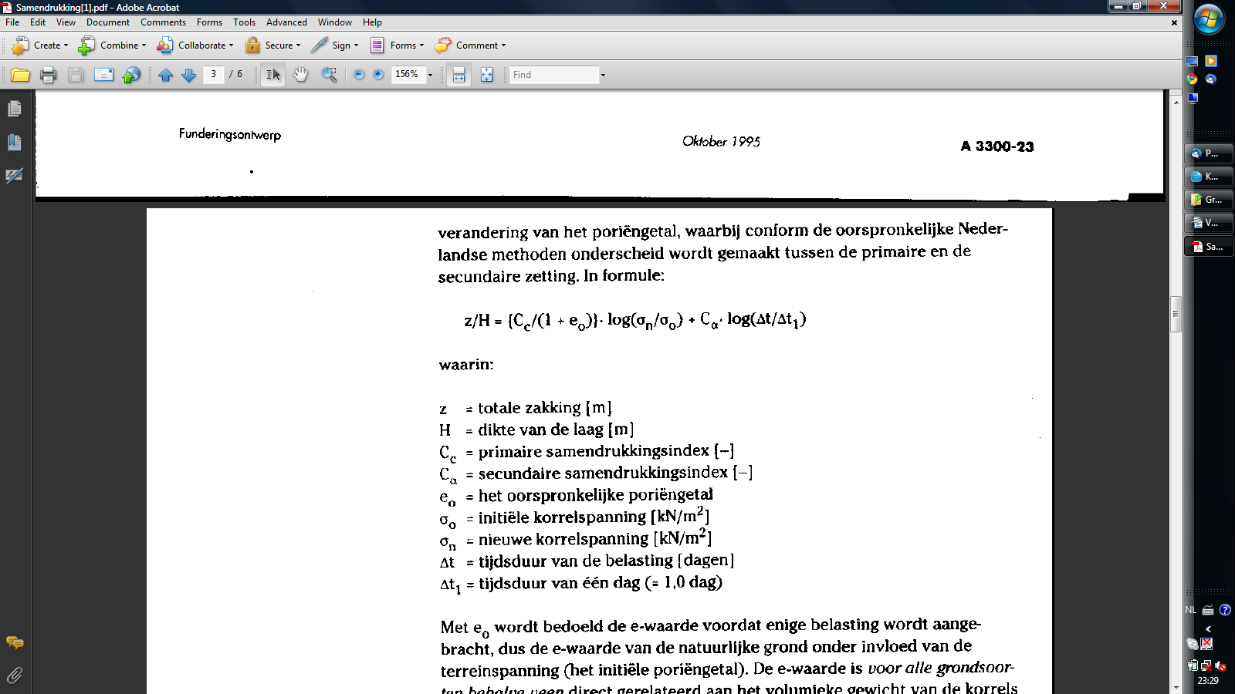
0 |  | 0 |  |  |  |  | 0 |  | Gegevens Adviseur
#REF! |  | Tabellen enzovoorts |  |  |  |  | #REF! |  | 9999 | BRON
 |  |  |  |  |  |  | formules |  | normart. | BRON

 | Materiaalgegevens
 |  | Soortelijk gewicht | Smeltpunt |  | Lineaire uitzettingscoëfficiënt | treksterkte |  | rekgrens | hardheid brinell
 |  | [kN/m3]
 | Lood | 111.34 | 327 |  | 29.7x10^-6 mm^-1.K^-1 | 13.6 - 22.4 N/mm² |  | : 5.5 - 11 N/mm² | 51 - 95 N/mm²

 | Standaard maten |  | Bron | ultimate wood

 | Bamboe |  |  |  | Lengte
 | Diameters |  | 31-34 |  | 3.05
 |  |  | 50-60 |  | 2.44 | 3.05
 |  |  | 80-90 |  | 1.83
 |  |  | 120-150 |  | 1.83 | 2.44 | 6.4

 |  |  |  |  |  |  | mortels |  | Bron | Bouwkundige Constructies'
 |  |  |  |  |  |  |  |  |  |  |  |  |  |  |  | Zand
 |  |  |  |  |  |  | no | Schelpkalk | Luiksche kalk(poeder) | Luiksche kalk(deeg) | Doornikse kalk(poeder) | Tras | Schelpkalktrasmeel | Cement(P.C) | gips | A | B | C
 |  |  |  |  |  |  | 1 | 1 |  |  |  | 1.25 |  |  |  | 1.5 | 2 a 2,5 | 3 a 4
 |  |  |  |  |  |  | 2 |  | 1 |  |  | 1.5 |  |  |  | 2 | 2,5 a 3 | 4 a 5
 |  |  |  |  |  |  | 3 |  |  | 1 |  | 3 |  |  |  | 4 | 5 a 6 | 8 a 10
 |  |  |  |  |  |  | 4 |  |  |  | 1 | 1 |  |  |  | 2 | 2,5 a 3 | 5
 |  |  |  |  |  |  | 5 |  |  |  |  |  | 1 |  |  | 1 a 1,5 | 1,5 a 2 | 2 a 3
 |  |  |  |  |  |  | 6 |  |  |  |  |  |  | 1 |  | 2 | 3 | 3
 |  |  |  |  |  |  | 7 |  |  |  |  | 1 |  | 1 |  | 2.5 | 4 a 5 | 4 a 5
 |  |  |  |  |  |  | 8 | 1 a 4 |  |  |  |  |  | 1 |  |  |  | 4 a 12
 |  |  |  |  |  |  | 9 | 1 |  |  |  |  |  |  |  |  |  | 2 a 2,5
 |  |  |  |  |  |  | 10 |  |  |  |  |  |  |  |  |  |  | 2
 |  |  |  |  |  |  | 11 |  |  |  |  |  |  |  |  |  |  | 4 | metselmortels
 |  |  |  |  |  |  |  |  |  |  |  |  |  |  |  | Zand |  |  | pleistermortels
 |  |  |  |  |  |  | 12 | 1 |  |  |  | 1,25 a 1,5 |  |  |  | 2,5 a 3
 |  |  |  |  |  |  | 13 |  |  |  |  |  | 1 |  |  | 2
 | Lood |  | Bron | stichting bouwlood juni 2012 |  |  | 14 |  |  |  |  | 0,5 a 1 |  | 0.125 |  | 3 a 5
 | Rollen bladlood a 50 kG |  |  |  |  |  | 15 | 1 |  |  |  |  |  | 0.125 |  | 2
 | Code | Kleur | afmeting | kg/rol |  |  | 16 |  |  | 1 |  |  |  |  |  | 3
 | Code 06 | wit | 10 mtr x 100 cm | 60 |  |  | 17 |  |  | 1 |  |  |  |  | 0,33 a 0,5
 | Code 10 | wit | 5,0 mtr x 100 cm | 50 |  |  | 18 | 1 |  |  |  |  |  |  |  | 1.5
 | Code 12 | wit | 4,2 mtr x 100 cm | 50 |  |  | 19 |  |  | 1 |  |  |  |  |  | 2
 | Code 15 | groen | 3,3 mtr x 100 cm | 50 |  |  | 20 | 1 |  |  |  |  |  | 0.25 |  | 3 a 4
 | Code 18 | geel | 2,7 mtr x 100 cm | 50 |  |  | 21 | 0.5 |  |  |  |  |  | 1 |  | 3
 | Code 20 | blauw | 2,5 mtr x 100 cm | 50
 | Code 25 | rood | 2,0 mtr x 100 cm | 50 |  |  |  | A=waterdichte mortel |  |  |  | kelders | , moet onder water verharden, anders teveel krimp
 | Code 30 | zwart | 1,6 mtr x 100 cm | 50 |  |  |  | B= Vochtdicht |  |  |  | trasraam, gevelafdekkingen
 | Code 35 | wit | 1,4 mtr x 100 cm | 50 |  |  |  | C=Funderingen en opgaand werk
 |  |  |  |  |  |  |  |  | P.C. | schelpkalk | zand
 | BLADLOOD gesneden CODE 15 GROEN ROLLEN SNIJLOOD a 6 MTR |  |  |  |  |  |  | a | 1 | 1 | 4 a 5
 | Code | Kleur | afmeting | kg/rol |  |  |  | b | 1 | 2 | 6 a 7
 | Code 15 | groen | 10 cm x 600 cm | 9 |  |  |  | c | 1 | 3 | 8 a 9
 | Code 15 | groen | 15 cm x 600 cm | 14 |  |  |  | d | 1 | 4 | 10 a 12
 | Code 15 | groen | 20 cm x 600 cm | 18
 | Code 15 | groen | 25 cm x 600 cm | 23 |  |  | Baksteenafmetingen
 | Code 15 | groen | 30 cm x 600 cm | 27 |  |  |  |  | h | b | l
 | Code 15 | groen | 35 cm x 600 cm | 30 |  |  | Waalformaat |  | 55 | 110 | 220
 | Code 15 | groen | 40 cm x 600 cm | 32 |  |  | Moppen |  | 45 | 110 | 220
 | Code 15 | groen | 45 cm x 600 cm | 41 |  |  | Drielingsformaat |  | 45 | 90 | 180
 | Code 15 | groen | 50 cm x 600 cm | 45 |  |  | Ijsselformaat |  | 40 | 80 | 160

 | BLADLOOD gesneden CODE 18 GEEL ROLLEN SNIJLOOD a 3 MTR
 | Code | Kleur | afmeting | kg/rol
 | Code 18 | geel | 10 cm x 300 cm | 5
 | Code 18 | geel | 15 cm x 300 cm | 8
 | Code 18 | geel | 20 cm x 300 cm | 11
 | Code 18 | geel | 25 cm x 300 cm | 14
 | Code 18 | geel | 30 cm x 300 cm | 16
 | Code 18 | geel | 35 cm x 300 cm | 18
 | Code 18 | geel | 40 cm x 300 cm | 19
 | Code 18 | geel | 45 cm x 300 cm | 24
 | Code 18 | geel | 50 cm x 300 cm | 27

 | BLADLOOD gesneden CODE 20 BLAUW ROLLEN SNIJLOOD a 3 MTR
 | Code | Kleur | afmeting | kg/rol
 | Code 20 | blauw | 10 cm x 300 cm | 6
 | Code 20 | blauw | 15 cm x 300 cm | 9
 | Code 20 | blauw | 20 cm x 300 cm | 12
 | Code 20 | blauw | 25 cm x 300 cm | 15
 | Code 20 | blauw | 30 cm x 300 cm | 18
 | Code 20 | blauw | 33 cm x 300 cm | 20
 | Code 20 | blauw | 35 cm x 300 cm | 21
 | Code 20 | blauw | 40 cm x 300 cm | 24
 | Code 20 | blauw | 45 cm x 300 cm | 27
 | Code 20 | blauw | 50 cm x 300 cm | 30

 | BLADLOOD gesneden CODE 25 ROOD ROLLEN SNIJLOOD a 3 MTR
 | Code | Kleur | afmeting | kg/rol
 | Code 25 | rood | 10 cm x 300 cm | 8
 | Code 25 | rood | 15 cm x 300 cm | 11
 | Code 25 | rood | 20 cm x 300 cm | 15
 | Code 25 | rood | 25 cm x 300 cm | 19
 | Code 25 | rood | 30 cm x 300 cm | 23
 | Code 25 | rood | 33 cm x 300 cm | 25
 | Code 25 | rood | 35 cm x 300 cm | 26
 | Code 25 | rood | 40 cm x 300 cm | 30
 | Code 25 | rood | 45 cm x 300 cm | 34
 | Code 25 | rood | 50 cm x 300 cm | 38

 | BLADLOOD gesneden CODE 30 ZWART ROLLEN SNIJLOOD a 3 MTR
 | Code | Kleur | afmeting | kg/rol
 | Code 30 | zwart | 10 cm x 300 cm | 9
 | Code 30 | zwart | 15 cm x 300 cm | 14
 | Code 30 | zwart | 20 cm x 300 cm | 18
 | Code 30 | zwart | 25 cm x 300 cm | 23
 | Code 30 | zwart | 30 cm x 300 cm | 27
 | Code 30 | zwart | 33 cm x 300 cm | 30
 | Code 30 | zwart | 35 cm x 300 cm | 32
 | Code 30 | zwart | 40 cm x 300 cm | 36
 | Code 30 | zwart | 45 cm x 300 cm | 41
 | Code 30 | zwart | 50 cm x 300 cm | 45

 | BLADLOOD gesneden CODE 35 WIT ROLLEN SNIJLOOD a 3 MTR
 | Code | Kleur | afmeting | kg/rol
 | Code 35 | wit | 10 cm x 300 cm | 11
 | Code 35 | wit | 15 cm x 300 cm | 16
 | Code 35 | wit | 20 cm x 300 cm | 21
 | Code 35 | wit | 25 cm x 300 cm | 26
 | Code 35 | wit | 30 cm x 300 cm | 32
 | Code 35 | wit | 33 cm x 300 cm | 35
 | Code 35 | wit | 35 cm x 300 cm | 37
 | Code 35 | wit | 40 cm x 300 cm | 42
 | Code 35 | wit | 45 cm x 300 cm | 47
 | Code 35 | wit | 50 cm x 300 cm | 53

 | Code | Gewicht | dikte | Kleurcode
 |  | [kG/m2] | [mm]
 | 18 | 18 | 1.59 | geel
 | 20 | 20 | 1.76 | blauw
 | 25 | 25 | 2.2 | rood
 | 30 | 30 | 2.64 | zwart
 | 35 | 35 | 3.08 | wit
 | 40 | 40 | 3.53 | oranje

 | Cementdekvloer
 | D15
 | D20
 | D30
 | D40
 | D55
 | D75

